1. Title Page
Instacart Grocery Basket Analysis

Project Name: Instacart Grocery Basket Analysis
Date: September 8th, 2023
Analyst Name: Ayaz Khan

Contents:
Population Flow
Consistency checks
Wrangling steps
Column derivations
Visualizations
Recommendations

2. Population Flow
Title page

Population flow

Exclusion flag
Condition: max_order < 5
Obervations to be removed: 1,440,295
Final total count of order_products_all: 30,964, 564

Orders_products_combined
Orders_products_merged
Orders_products_all

Total: 32,404,859
Total:32,434,489
Total:32,404,859

1.) The grey boxes in the first row of the population flow represent the original data sets as they were when you downloaded them. In the Total fields you need to add the count of the rows when you imported the data set into Jupyter.
2.) The second row of boxes (coloured) represents the data sets after you manipulated them, e.g., removed missing values and duplicates. In the Total fields you need to add the count of the rows after conducting these operations. This offers a visual oveview of how the data flows throughout the data consistency checks.
3.) The third row, where also the arrows are coloured, represents the merges you performed between the datasets. In the Total fields you need to add the count of the rows in the merged datasets, so that you end up with the final dataset (in the red box). Keep in mind the final dataset should be without exclusions (based on the exclusion flag).

3. Consistency checks
 |  |  |  | Title page
Consistency checks

Dataset | Missing values | Missing values treatment | Duplicates
orders | There are 206,209 missing values in the 'day_since_last_order' column. . | The missing value of ' 0' was due to the new customer, who had no prior order. Created a new boolean column for missing values in the "days_since_last_order" column. which will be true if NaN and false if not. | There is no duplicate values.
products | There are 16 missing values in 'product_name' column. | The missing values were droped. | There are 5 duplicate values, which was dropped.
orders_products_prior | No missing values found. |  | No duplicate values were found.
customers | There are 11,259 missing values in the 'first_name' column. | No action was taken since it will not impact the analysis, and for PII privacy reasons, the 'first_name' and 'last_name' columns will be dropped. | No duplicate values were found.

4. Wrangling steps
 |  |  |  | Title page
Wrangling steps

Columns dropped | Columns renamed | Columns' type changed | Comment/Reason
"eval_set" |  |  | Irrelevant column for analysis.
 | "order_dow" to 'orders_day_of_week' |  | simple to comprehend
 | 'day_since_prior_order'' to ''day_since_last_order'' |  | simple to comprehend
 | "First Name" to "first name" "Surname" to " last name" "Gernder" to "gernder" " STATE" to "state" "n_depandents" to "dependents" "Age" to "age" "fam_status" to "marital_statuts" "date_joined" to "joined date" |  | Column names have been altered, rectified, and converted to lowercase letters to match the dataframe columns.
 |  | user_id | Changed the type of column to string.
 |  | order_id | Changed the type of column to string.
 |  | first name | Changed the type of column to string.
"first name", "last name" |  |  | For (PII) privacy reasons, the 'first_name' and 'last_name' columns were dropped.

5. Column derivations
 |  |  |  | Title page

Column derivations and aggregations

In this tab you should add tables below that the frequences of flags/label variables that you produced after deriving them. NB: don't do this for continuous variables, only for flags.
Dataset | New column | Column/s it was derived from | Conditions
df_ords | new_customer | "days_since_last_order" | Created a new boolean column for missing values in the "days_since_last_order" column. which will be true if NaN and false if not.
ords_prods_merged | price_range_loc | "prices" | Low-range: if price is <=5 Mid-range: if price is >5 & <= 15 High range: if price is > 15
ords_prods_merged | busiest_day | "orders_day_of_week" | "Least busy: if orders_dow = 4 Busiest day: if orders_dow = 0 Regularly Busy: if orders_dow = all else"
ords_prods_merged | busiest_days | "orders_day_of_week" | "Slowest days: if orders_dow =4 or =3 Busiest days: if orders_dow = 0 or =1 Regularly days: if orders_dow = all else"
ords_prods_merged | busiest_period_of_day | "order_hour_of_day" | Average orders: if order_hod = 17,8,19,20,7,21,22 Most orders: if order_hod = 10,11,14,15,13,12,16,9 Fewest orders: if order_hod = all else
ords_prods_merged | max_order | "user_id" , "order_number" | Maximum Orders by customers
ords_prods_merged | loyalty_flag | "max_order" | Loyal customer: if max. orders > 40. Regular customer: if max. orders <= 40 and >10 New customer: if max. orders <=10
ords_prods_merged | average_price | "user_id" , "prices" | averege orders prices paid by customers.
ords_prods_merged | spending_flag | "user_id", "average_price" | Low spender: if average price is <10. High spender: if average price >=10
ords_prods_merged | median_days | "user_id", "days_since_last_order | median of the days_since_last_order column.
ords_prods_merged | frequency_flag | "median_days" | Non-freqent customer: if median days >20. Regular customer: if median days <=20. Frequent customer: if median days <=10
df_all | region | "state" | "Northeast": ['Maine', 'New Hampshire', 'Vermont', 'Massachusetts', 'Rhode Island', 'Connecticut', 'New York', 'Pennsylvania', 'New Jersey'] "Midwest" : ['Wisconsin', 'Michigan', 'Illinois', 'Indiana', 'Ohio', 'North Dakota', 'South Dakota', 'Nebraska', 'Kansas', 'Minnesota', 'Iowa', 'Missouri'] "South": ['Delaware', 'Maryland', 'District of Columbia', 'Virginia', 'West Virginia', 'North Carolina', 'South Carolina', 'Georgia', 'Florida', 'Kentucky', 'Tennessee', 'Mississippi', 'Alabama', 'Oklahoma', 'Texas', 'Arkansas', 'Louisiana'] "West": ['Idaho', 'Montana', 'Wyoming', 'Nevada', 'Utah', 'Colorado', 'Arizona', 'New Mexico', 'Alaska', 'Washington', 'Oregon', 'California', 'Hawaii']
df_new (High Active Customers) | age_category | "age" | Young adults: if age is <=35. Middle-aged: if age is >35 and <60. Senior Citizens: if age is >60
df_new | income_class | "income" | Lower-income: if income is >=25900 and <100000. Middle-income: if income is >=10000 and <0200000. Upper-income: if income is >200000
df_merged | customer_profile | "depandents" | Single adult: depandents =0. Young parent: dependants >0. Family: dependents <=2. Big Family: dependents >2

6. Visualizations
 |  |  |  | Title page

Visualisations

In this tab you should include all the visualtions from Exercises 4.9 and 4.10, alongside the questions from the project brief that they answer. Include any commentary on the relationship between different variables.

The sales team needs to know what the busiest days of the week and hours of the day are
(i.e., the days and times with the most orders) in order to schedule ads at times when there are fewer orders


 |  |  | Frequency of Orders hour of the day
Order Placed by Days of the Week. | The Amount Spent by the Day of Week

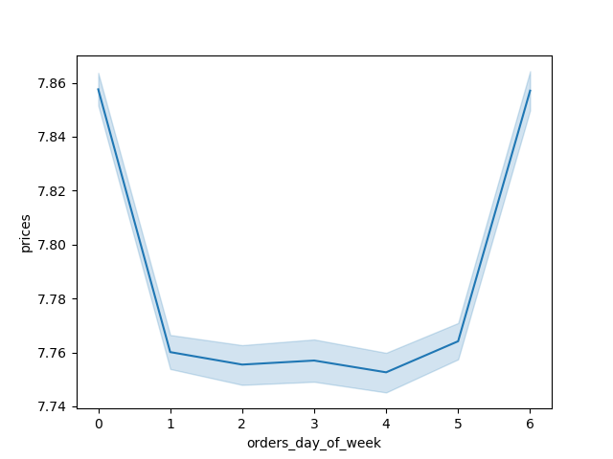

Days of Week
Legend
0 - Saturday
1 - Sunday
2 - Monday
3 - Tuesday
4 - Wednesday
5 - Thursday
6 - Friday

Most orders are placed on weekends Saturday and Sunday.
Wednesday and Tuesday have least orders recorded.
Most customers are spending on weekends from Friday to Sundy.
The histogram illustrating 24 hours of recorded orders exhibits a clear daily pattern. Starting at 6 AM, the number of orders begins to rise steadily, with a gradual increase up until 10 AM. From 10 AM to 5 PM, the histogram reaches its peak, reflecting the busiest hours of order placements. After 5 PM, there is a gradual decline, and from 6 PM onwards, the number of orders starts to decrease until it reaches its lowest point around 3 AM, signifying the overnight lull in order activity. This histogram visually captures the fluctuating demand for orders throughout the day, with a prominent peak during regular business hours.

The sales team also want to know whether there are particular times of the day when people spend the most money ?

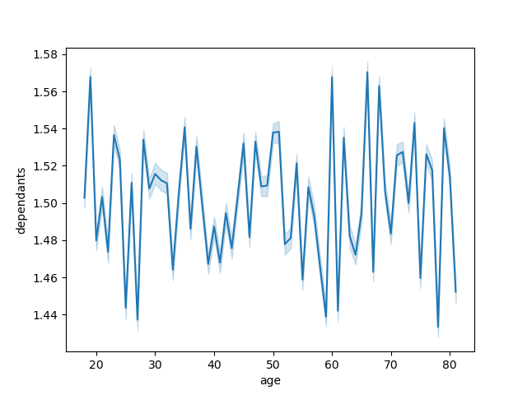
Spending Amount by Hour of the Day. |  | Connections b/w Age and Number of Dependents.
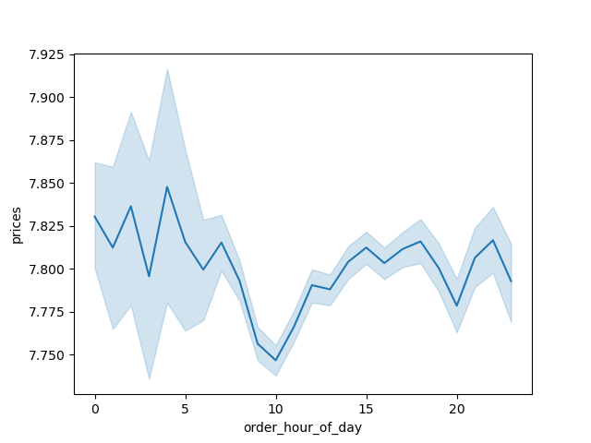

In the line chart depicting 'number of dependants and 'age' there is no direct connection or relationship between the two variables.
This line chart shows customers are spending slighly high between 12 to 4 am.

Instacart has a lot of products with different price tags. Marketing and sales want to use simpler price range groupings to help direct their efforts.

Frequency Of Orders Prices. | Scatterplot of prices variable.

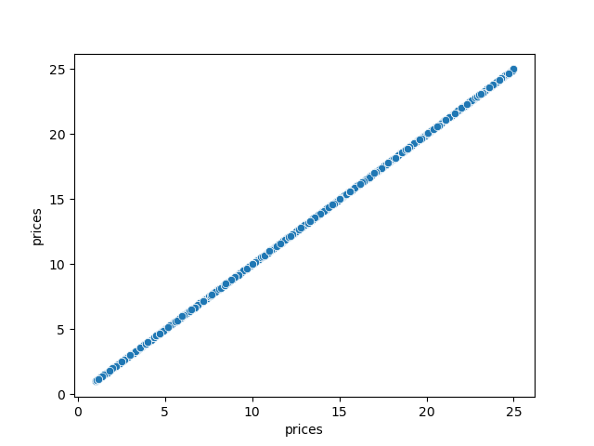

The frequency of items from $1-$15 is relatively stable, there is a major
drop off with items priced above $15.

Are there certain types of products that are more popular than others? The marketing and sales teams want to know which departments have the highest frequency of product orders.

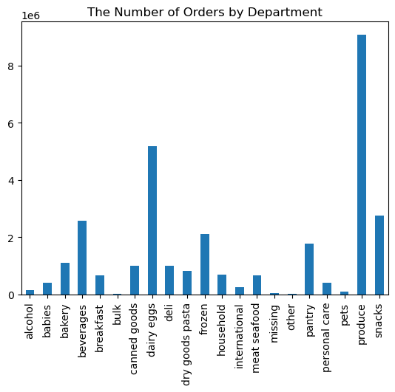

The department with the most customers is produce. Dairy/eggs is the following department, accounting for slightly more than half of all produce orders.
The following three categories—snacks, drinks, and frozen—all include around 50% dairy and eggs.

What’s the distribution among users in regards to their brand loyalty (i.e., how often do they return to Instacart)?
Are there differences in ordering habits based on a customer’s loyalty status?

Frequency of Customers Loyalty


The bar chart visualizes three customer segments: "Regular customers" with the tallest bar, indicating they order between 10 and 40 times, but they are largest share of the customers next the "Loyal customers" with a medium-sized bar, they order more than 40 times, but they are less in numbers than Regular customers and "New customers" with the smallest bar, they place 10 or fewer orders. The chart effectively communicates the order behavior of these customer segments in a simple and visually informative manner.

Are there differences in ordering habits based on a customer’s region?

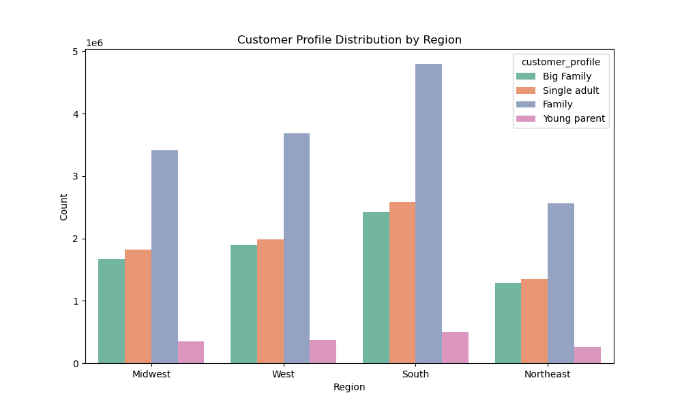
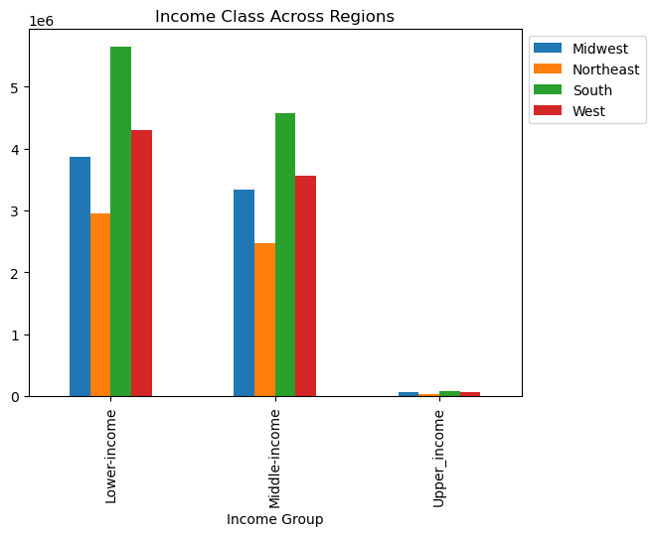
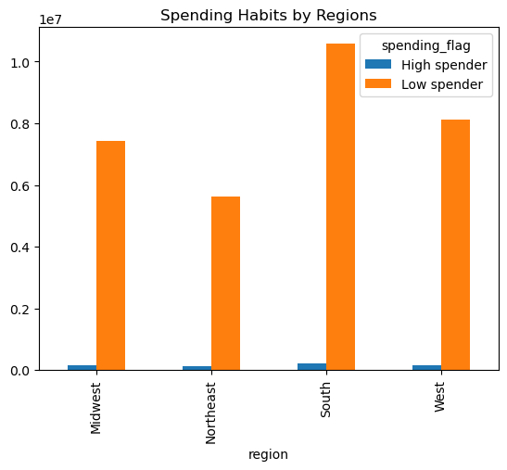

Based on the three graphs for different customer segments (Income class, Family type, Low spenders, and High spenders), it appears that there are differences in ordering habits based on a customer's region.
Income Class: In all three graphs, we can observed that the South region has the highest ordering habits among customers, followed by the West region. Conversely, the Northeast region consistently has customers with lower ordering habits. The Midwest region seems to perform better than the Northeast region in terms of ordering habits but is still below the South and West regions.
Family Type: A similar pattern across all customer segments. South and West regions have customers with higher ordering habits, while the Northeast region has customers with lower ordering habits. The Midwest region falls in between, displaying moderately better ordering habits compared to the Northeast.
Low Spenders and High Spenders: In both segments of low spenders and high spenders, the ordering habits mirror the same regional trends. The South region leads in ordering habits, followed by the West region, while the Northeast region lags behind. The Midwest region demonstrates slightly better ordering habits than the Northeast but doesn't reach the levels of the South and West regions.
In conclusion, based on the observations from the three different customer segments, it is evident that there are notable differences in ordering habits among customers depending on their region. The South and West regions consistently exhibit higher ordering habits, while the Northeast region tends to have customers with lower ordering habits. The Midwest region falls in between but leans towards better ordering habits compared to the Northeast. These insights suggest regional variations in customer behavior regarding order placements.

Is there a connection between age and family status in terms of ordering habits?

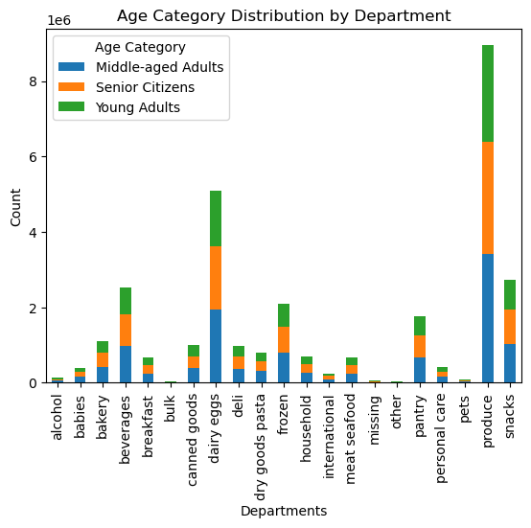
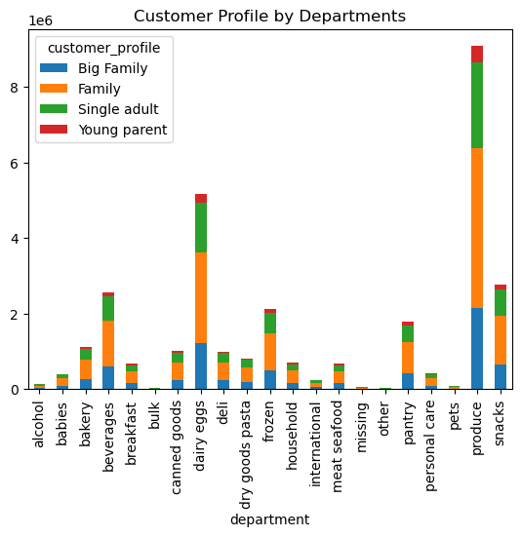

Age Group vs. Department: In the first stacked bar chart, I analyzed ordering habits across different age groups (Young adults, Middle-aged adults, and Senior citizens) for various product departments. While this chart shows the distribution of orders among age groups for different departments, it doesn't reveal a distinct pattern suggesting that age alone is a strong determinant of ordering habits. Ordering habits seem to vary across departments regardless of age.
Customer_profile vs. Department: In the second stacked bar chart, I examined ordering habits across different family types (Big family, Family, Single adult, and Young parent) for the same product departments. The key observation here is that the "Family" category consistently displays higher ordering habits compared to the other family types across departments. This suggests that family status, particularly being part of a family, may have a more noticeable influence on ordering habits within these product departments compared to age.
Overall, while visualizations show some variations in ordering habits across age groups and family types, it appears that family status (specifically, family category) might have a more pronounced impact on ordering habits within the context of these product departments than age alone. However, to draw more definitive conclusions, I may want to conduct more statistical analyses to quantify the significance of these observations and explore potential interactions between age and family status.

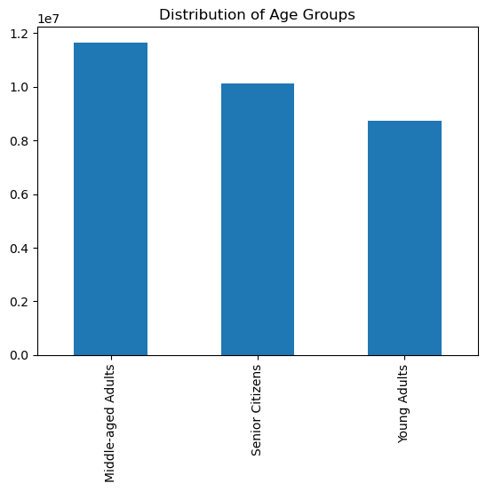
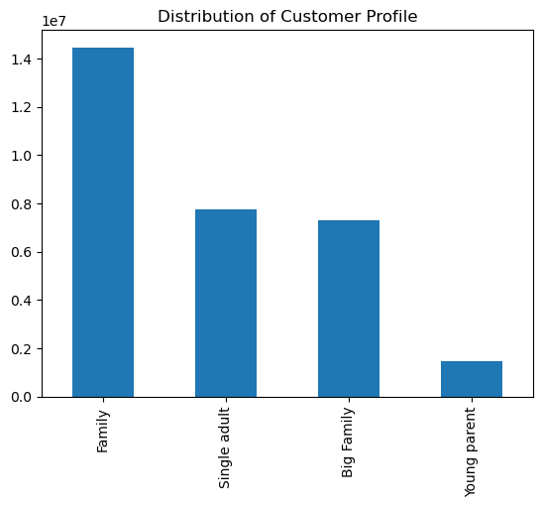

Is there a connection between income status and age in terms of ordering habits?

Income by Age

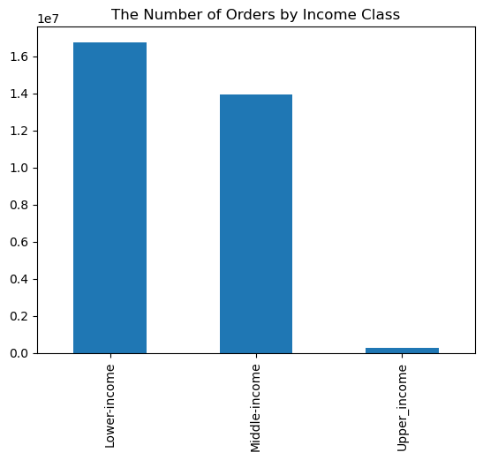

The scatterplot reveals the relationship between age and income, with age plotted on the x-axis and income on the y-axis. Across most age groups, from 20 to 80 years old, there is a consistent pattern where the majority of individuals have a yearly income of around 200,000. However, as age advances beyond 40 years, there is a noticeable trend where some individuals experience an increase in income, reaching up to 300,000. Furthermore, a few data points, primarily among individuals aged 45 and above, show income levels exceeding 300,000 but still remaining below 600,000, suggesting that there is some variation in income for this older age group.
The bar chart depicting the number of orders placed by income class reveals a clear disparity in ordering habits among different income groups. It prominently shows that the lower income class places the highest number of orders, indicating a stronger reliance on these services. In contrast, the middle income class follows with a moderately lower order count, while the upper income class exhibits notably fewer orders, suggesting a lower dependency on such services within this income bracket.

7. Recommendations
Title page

Recommendations

In this tab you should include any recommendations you would made to Instcart in terms of their marketing strategy based on the questions posed in the brief. Every key question has been covered in the Tasks of the Exercises - here you need to add an item - a visualisation or table/crosstable that is showing the answer in the data, acompanied by a comment from you. Please, list the questions below and add the answer underneath.

● The sales team needs to know what the busiest days of the week and hours of the day are (i.e., the days and times with the most orders) in order to schedule ads at times when there are fewer orders.

Answer: Based on the data analysis, it's evident that the busiest days of the week for Instacart are weekends (Saturday and Sunday) and Friday, with the highest number of orders placed during these days. In contrast, Tuesday and Wednesday experience lower order volumes.
Regarding the busiest hours of the day, the trend suggests that order counts begin to rise at 6 am, peaking between 10 am and 5 pm. After 5 pm, there is a gradual decline in orders, with a significant drop-off late at night around 3 am.
Recommendation:
To optimize ad scheduling and allocate resources effectively, Instacart can consider the following strategies:
Peak Hour Advertising: Concentrate ad campaigns and promotions during the peak hours between 10 am and 5 pm when the majority of orders are placed. This can help maximize visibility among active customers.
Targeted Weekend Promotions: Since weekends and Fridays are the busiest days, allocate a larger portion of your advertising budget to these days, offering special promotions or discounts to attract even more customers during these high-demand periods.
Off-Peak Strategies: During the less busy hours, such as Tuesday and Wednesday, consider running ad campaigns that encourage customers to place orders by offering incentives like limited-time discounts or exclusive deals.
Night-time Specials: While order volume is low late at night, Instacart could explore running targeted late-night promotions to cater to night owl customers who may be looking for convenient shopping options during those hours.
By aligning advertising strategies with the busiest days and peak hours, Instacart can optimize its marketing efforts to reach and engage customers more effectively, ultimately driving sales and customer retention.

● They also want to know whether there are particular times of the day when people spend the most money, as this might inform the type of products they advertise at these times.
Answer: The statistics showed, it appears that people tend to spend slightly more money during the early morning hours, specifically between 12 am and 4 am. Conversely, spending is comparatively lower between 5 am and 3 pm, with 10 am being the lowest spending hour.
Recommendation: To leverage this spending behavior for targeted product advertising, Instacart can consider the following recommendations:
Late-Night Promotions: Since spending is higher during the early morning hours, Instacart can promote products that are often associated with late-night shopping needs, such as snacks, convenience items, and beverages. Special promotions or discounts during this period may encourage even more purchases.
Lunchtime Deals: Given the lower spending between 5 am and 3 pm, Instacart can offer lunchtime deals and promotions on products typically purchased during lunch hours, such as fresh foods, salads, and meal prep items. This strategy can help boost spending during this time frame.
Targeted Discounts: Identify specific product categories or items that experience the lowest sales during the identified low-spending hours, such as 10 am. Offer targeted discounts or bundle deals to entice customers to make purchases during these hours.
Dynamic Advertising: Implement dynamic advertising strategies that adjust product recommendations and promotions based on the time of day. For example, showcase breakfast items in the morning and snacks during late-night hours.
By aligning product advertising with the times when people tend to spend more money and tailoring promotions to address low-spending periods, Instacart can potentially enhance sales and customer engagement throughout the day.

● Instacart has a lot of products with different price tags. Marketing and sales want to use simpler price range groupings to help direct their efforts

Answer: Based on the data of Instacart's product price tags, it is evident that mid-range price products are the most popular among customers, followed by low-range products. High-range products, which are priced higher, are purchased less frequently. The price range for products on Instacart spans from a minimum of 1.0 to a maximum of 25, with an average or mean price of approximately 7.80.
Recommendation: To simplify price range groupings for marketing and sales efforts, Instacart can consider the following recommendations:
Strategic Promotions: Focus marketing efforts and promotions on mid-range and low-range price products since they are the most sold. Implement targeted discounts, bundle deals, or featured product showcases for these categories to drive sales.
High-Range Specials: While high-range products may be purchased less frequently, they often contribute significantly to revenue. Consider showcasing high-range products as premium or specialty items and offer exclusive promotions or loyalty incentives to attract customers interested in higher-priced options.
User-Friendly Pricing Labels: Implement clear and user-friendly pricing labels or badges for products to help customers easily identify mid-range, low-range, and high-range options. This can simplify the shopping experience and guide customer choices based on their preferences and budget.
By aligning marketing efforts and promotions with these simplified price range groupings, Instacart can effectively target and engage customers based on their price preferences, ultimately enhancing sales and customer satisfaction.

● Are there certain types of products that are more popular than others? The marketing and sales teams want to know which departments have the highest frequency of product orders.

Answer: It's evident that certain types of products are more popular than others. The department with the highest frequency of product orders is 'Produce,' and it's followed by 'Dairy/Eggs,' which accounts for slightly more than half of all 'Produce' orders. Additionally, the 'Snacks,' 'Drinks,' and 'Frozen' departments collectively include approximately 50% of the 'Dairy/Eggs' orders.
Recommendations:
Promote Fresh and Dairy Products: Given the popularity of 'Produce' and 'Dairy/Eggs,' consider running promotions and marketing campaigns that highlight fresh produce and dairy items. Encourage cross-category purchases by suggesting complementary products.
Target Snack and Beverage Shoppers: Recognizing the preference for 'Snacks' and 'Drinks' alongside 'Dairy/Eggs,' focus marketing efforts on these departments. Create bundled offers or themed promotions that combine dairy, snacks, and beverages to increase average order value and customer engagement.

● The marketing and sales teams are particularly interested in the different types of customers in their system and how their ordering behaviors differ. For example:
○ What’s the distribution among users in regards to their brand loyalty (i.e., how often do they return to Instacart)?
○ Are there differences in ordering habits based on a customer’s loyalty status?
Answer: The three customer segments: "Regular customers" indicating they order between 10 and 40 times, but they are largest share of the customers next the "Loyal customers" they order more than 40 times, but they are less in numbers than Regular customers and "New customers" they place 10 or fewer orders. The analysis effectively communicates the order behavior of these customer segments in a simple and visually informative manner.
Recommendations:
Regular Customers :I would recommend that the regular customer who share big number of ciustomers, Offer loyalty rewards, exclusive discounts, and personalized product recommendations to maintain and enhance their engagement, ensuring they continue to place high-volume orders and become loyal.
Loyal Customers: Cultivate loyalty through tailored experiences, early access to new products, and occasional surprise promotions to retain and potentially grow their orders.
New Customers: Nurture new customer relationships by providing onboarding assistance, user-friendly incentives, and educational content to encourage them to increase their order frequency over time.
○ Are there differences in ordering habits based on a customer’s region?
Answer:
Based on the findings the (Income class, Family type, Low spenders, and High spenders), it appears that there are differences in ordering habits based on a customer's region.
Income Class: We observed that the South region has the highest ordering habits among customers, followed by the West region. Conversely, the Northeast region consistently has customers with lower ordering habits. The Midwest region seems to perform better than the Northeast region in terms of ordering habits but is still below the South and West regions.
Family Type: A similar pattern across all customer segments. South and West regions have customers with higher ordering habits, while the Northeast region has customers with lower ordering habits. The Midwest region falls in between, displaying moderately better ordering habits compared to the Northeast.
Low Spenders and High Spenders: In both segments of low spenders and high spenders, the ordering habits mirror the same regional trends. The South region leads in ordering habits, followed by the West region, while the Northeast region lags behind. The Midwest region demonstrates slightly better ordering habits than the Northeast but doesn't reach the levels of the South and West regions.
In conclusion, based on the observations from the three different customer segments, it is evident that there are notable differences in ordering habits among customers depending on their region. The South and West regions consistently exhibit higher ordering habits, while the Northeast region tends to have customers with lower ordering habits. The Midwest region falls in between but leans towards better ordering habits compared to the Northeast. These insights suggest regional variations in customer behavior regarding order placements.
Recommendations:
Region-Specific Promotions: Tailor marketing campaigns and promotions to cater to the ordering habits observed in each region. For the South and West regions, emphasize promotions that resonate with high-ordering customers, while for the Northeast and Midwest, focus on strategies to boost order frequency.
Customer Engagement Initiatives: Implement engagement initiatives in regions with lower ordering habits, such as the Northeast, to encourage increased participation and orders. This could include region-specific loyalty programs or targeted incentives.
Regional Product Selection: Curate product offerings based on regional preferences to further align with customer habits. Highlight local or regional specialties and create assortments that cater to unique tastes and needs.
Continuous Monitoring: Regularly monitor and analyze regional ordering trends to adapt strategies as customer behavior evolves over time. Flexibility and responsiveness to regional variations will be key in optimizing order placements and enhancing customer satisfaction.
○ Is there a connection between age and family status in terms of ordering habits?
Answer:
Age Group: I analyzed ordering habits across different age groups (Young adults, Middle-aged adults, and Senior citizens) for various product departments. It doesn't reveal a distinct pattern suggesting that age alone is a strong determinant of ordering habits. Ordering habits seem to vary across departments regardless of age.
Customer_profile: Ordering habits across different family types (Big family, Family, Single adult, and Young parent) for the same product departments. I observation that the "Family" category consistently displays higher ordering habits compared to the other family types across departments. This suggests that family of 1 to 2 depandents may have a more noticeable influence on ordering habits within these product departments compared to age.
Recommendations:
Family-Centric Promotions: Focus marketing efforts and promotions on products that cater to family needs, as the "Family" category consistently shows higher ordering habits. Consider offering family-friendly bundles, discounts, and incentives to further engage this customer segment.
Personalized Age-Based Recommendations: While age alone may not strongly correlate with ordering habits, leverage customer data to personalize product recommendations based on preferences within specific age groups. Encourage cross-category purchases that align with diverse age-related needs.
Cross-Category Targeting: Identify opportunities for cross-category promotions that target both family-oriented customers and different age groups. Create campaigns that showcase products suitable for families as well as those tailored to specific age-related preferences to maximize order diversity.
Continuous Customer Insights: Continuously monitor customer behavior to identify evolving patterns and adjust marketing strategies accordingly. Regularly assess the impact of promotions and product recommendations on both age and family status segments to optimize ordering habits
○ What different classifications does the demographic information suggest?
Age? Income? Certain types of goods? Family status?
Answer:
Income Class: The number of orders placed by income class reveals a clear disparity in ordering habits among different income groups. It prominently shows that the lower income class places the highest number of orders.
Age Group: Ordering habits across different age groups (Young adults, Middle-aged adults, and Senior citizens) for various product departments, it doesn't reveal a distinct pattern suggesting that age alone is a strong determinant of ordering habits. Ordering habits seem to vary across departments regardless of age.
Customer Family : The ordering habits across different family types (Big family, Family, Single adult, and Young parent) for the same product departments. The key information here is that the "Family" category consistently displays higher ordering habits compared to the other family types across departments. This suggests that family with 1 or 2 depandents, may have a more noticeable influence on ordering habits within these product departments compared to age.
Recommendations:
Income-Based Targeting: Tailor marketing efforts and promotions to accommodate the high-ordering habits of the lower income class, ensuring affordability and value are emphasized in product offerings.
Age-Agnostic Strategies: Recognize that age alone may not be a strong determinant of ordering habits. Implement product recommendations and promotions that cater to diverse age groups' preferences and needs.
Family-Centric Campaigns: Focus marketing initiatives on the "Family" category, as it consistently displays higher ordering habits. Offer family-friendly bundles, discounts, and incentives to engage this customer segment effectively.
○ What differences can you find in ordering habits of different customer
profiles? Consider the price of orders, the frequency of orders, the products customers are ordering, and anything else you can think of.
Answer: Differences in ordering habits among different customer profiles can be observed in several aspects:
Order Frequency:
Regular Customers: Regular customers tend to place orders more frequently, often as part of their routine shopping. They may have weekly or bi-weekly orders.
Loyal Customers: Loyal customers, while committed to the platform, might not place orders as frequently as regular customers. They are likely to have a less rigid ordering schedule.
New Customers: New customers typically place fewer orders, as they are still exploring the platform and may not have established a consistent ordering pattern.
Order Size and Value:
Regular Customers: They may place larger orders, including both essentials and non-essentials, resulting in higher order values.
Loyal Customers: Loyal customers may have moderate to large order sizes but may also include more premium or specialty items, contributing to higher order values.
New Customers: New customers often place smaller orders with essential items, leading to lower order values.
Product Variety:
Regular Customers: They might explore a wider range of products, including new and seasonal items, leading to a diverse product mix in their orders.
Loyal Customers: Loyal customers may have consistent product preferences but could also experiment with premium or specialty items occasionally.
New Customers: New customers tend to stick to basic or familiar products in their initial orders as they get acquainted with the platform.
Timing and Seasonality:
Regular Customers: They are less influenced by seasonal trends and may order consistently throughout the year.
Loyal Customers: Loyal customers may show more sensitivity to seasonal products and promotions, adjusting their orders accordingly.
New Customers: New customers may show variations in their ordering habits depending on their entry point, potentially being more influenced by seasonal deals or promotions.

